UI Mockup
Random Intermediate Riffs
Random Beginner Riffs
Random Advanced Riffs
Random All Riffs!
Choose A Riff
[APP NAME]
How would you like your riffs done?
Riff (Scrollable?)
Random [X] Riff
Song Name
Artist
Album, Year
Art?
Ad Space
Listen on Youtube
Next Song
Mockup

 |  |  | Riffs Page
 |  |  | - Each riff will have its own page.
 |  |  | - Top tab: Back button, next song, and open youtube video to listen to the song.
 |  |  | - Main riff will be displayed, sometimes will have ads.

Song1
Ali
Choose A Riff
Song2
Song3
Song1
Ali
Song2
Song3

 |  | Choose A Riff
 |  | - Songs are arranged by Artist
 | Main Menu | - Blue squares mean the difficulty, as reflected in the main page
 | - For the "randoms", it will point to the riffs screen, | - Scrollable
 | giving different songs according to different difficulty.
 | - For the last "Choose A Riff", users can choose songs.
 | - Will include a "Unlock All Riffs", and "Remove Ads" choice
 | - If unlock all riffs, ads also removed (if didnt remove)

 | * All screens will have both portrait and landscape versions

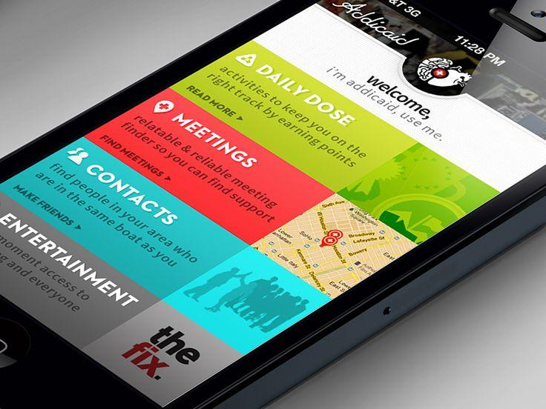
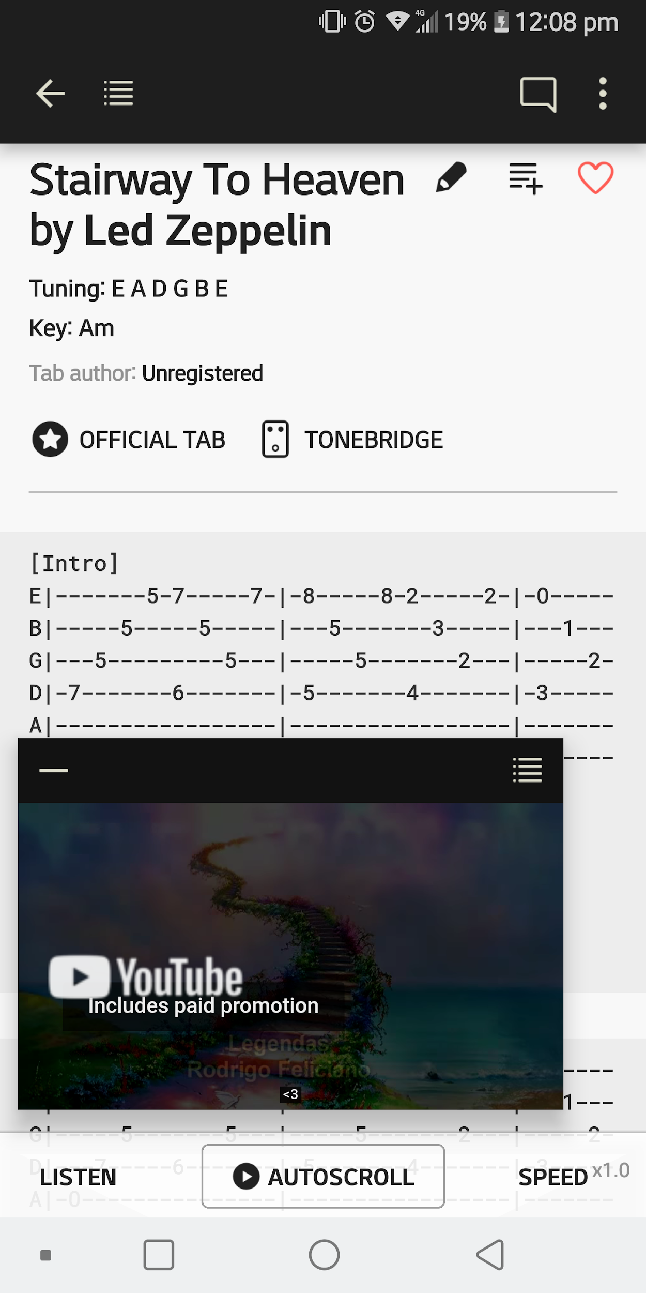
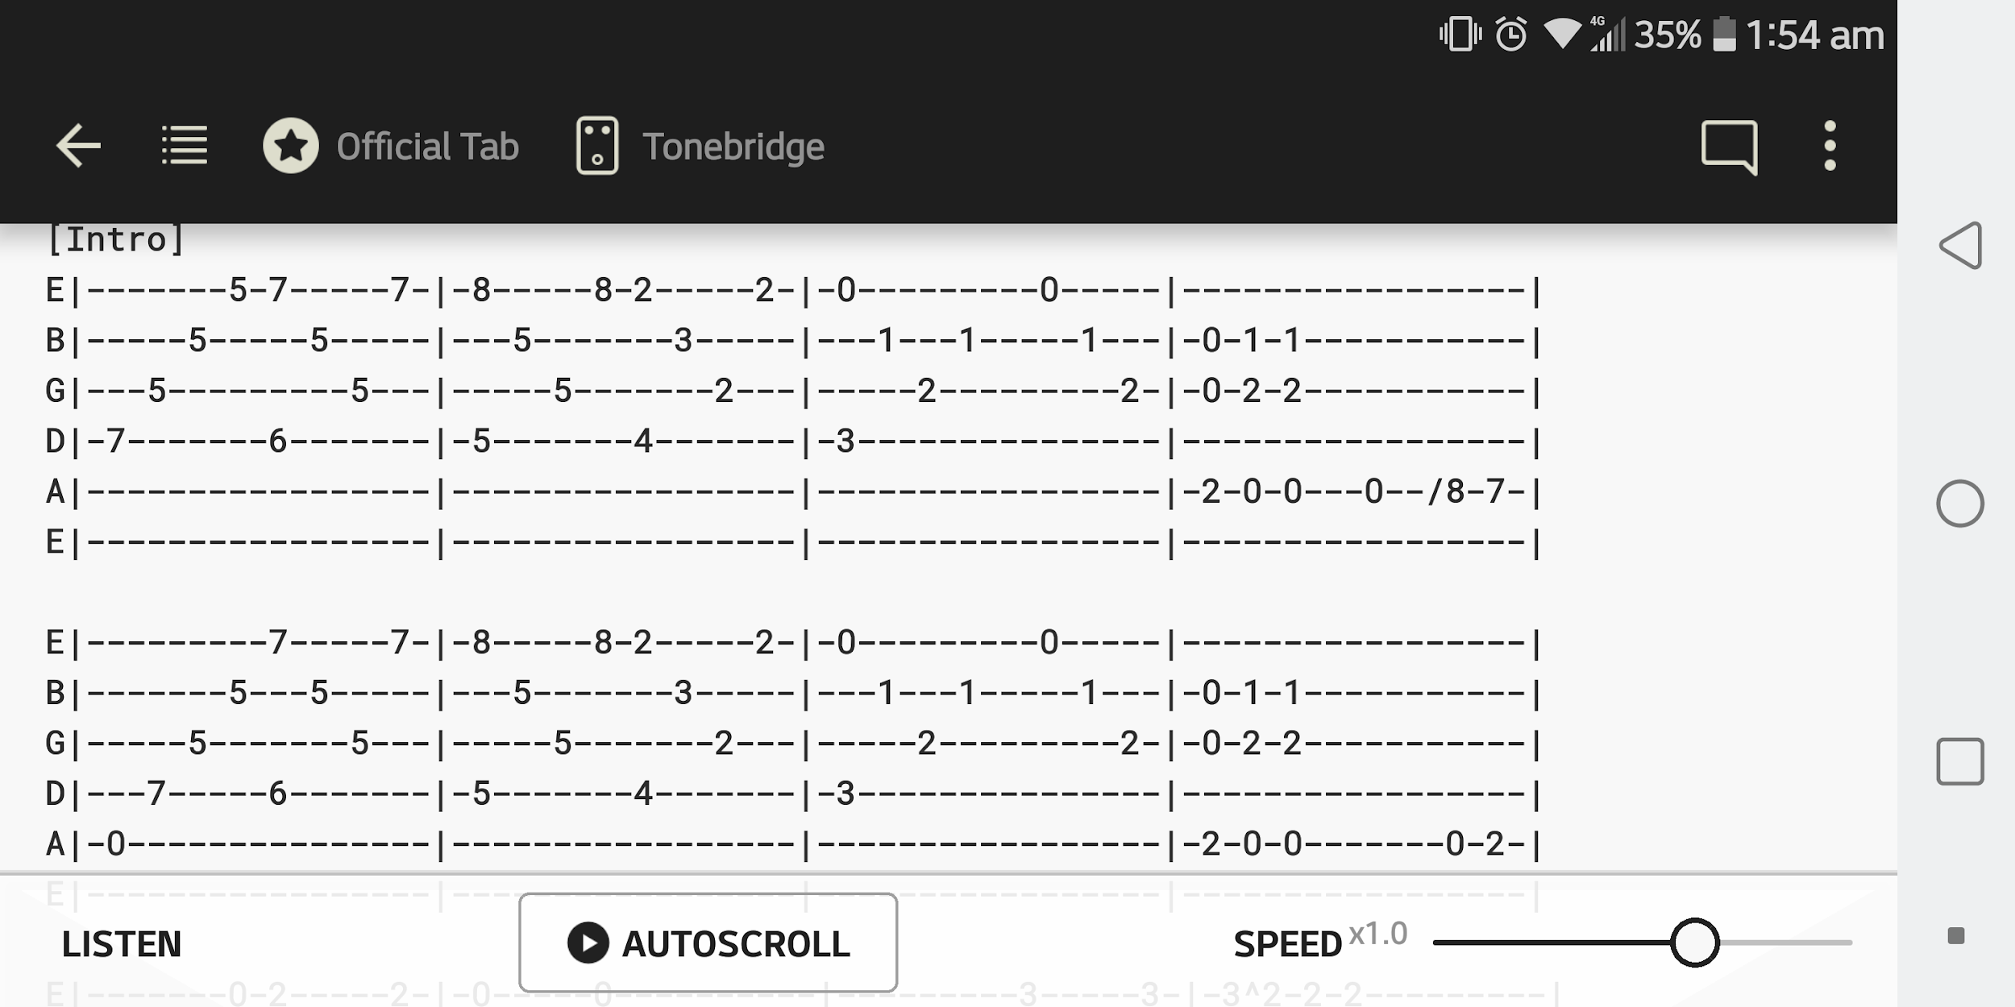
Art References

 | Main Menu | Riffs Page, Portrait and Landscape

Notes | CHOOSING SONGS
 | Random by difficulty (beginner, intermediate, advanced, pure)
 | Choose By List
 | - Arrange by Artist/Song Name

 | FEATURES
 | Song title
 | Artist
 | Link to yt or stream in app?
 | RIFF
 | (Next button)
 | (Back button)
 | BG color reflects genre.

 | MARKETING
 | A riff a day!
 | Discover more songs!
 | More fun way to warm up!

 | OTHERS
 | Give 40-50% of app content and pay to unlock the rest
 | 0.99? 1.99?

